001
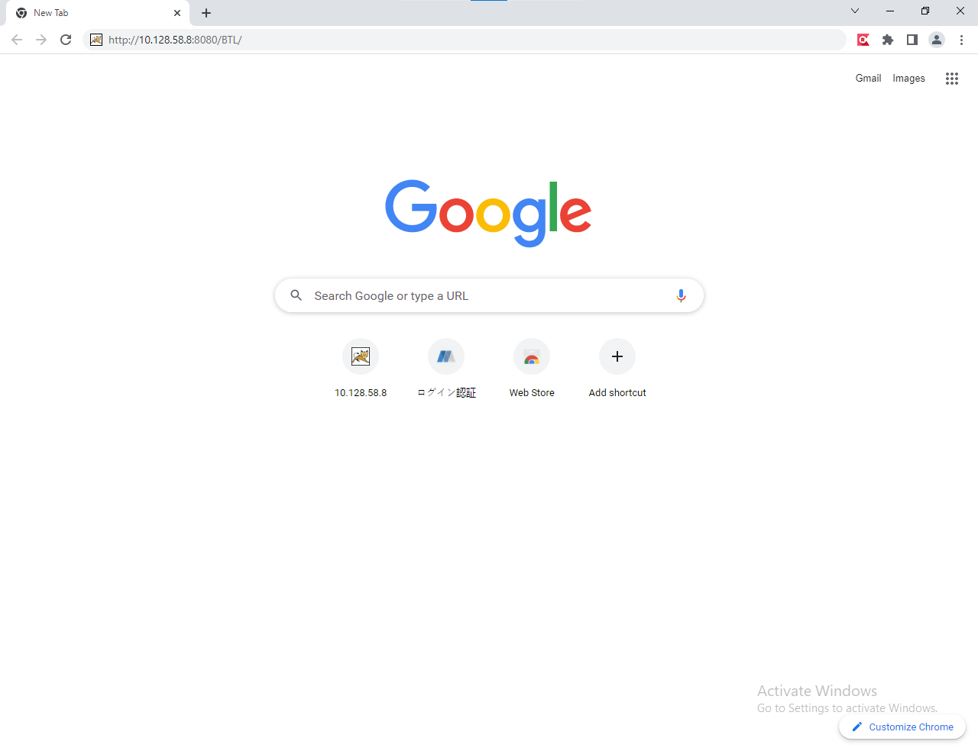

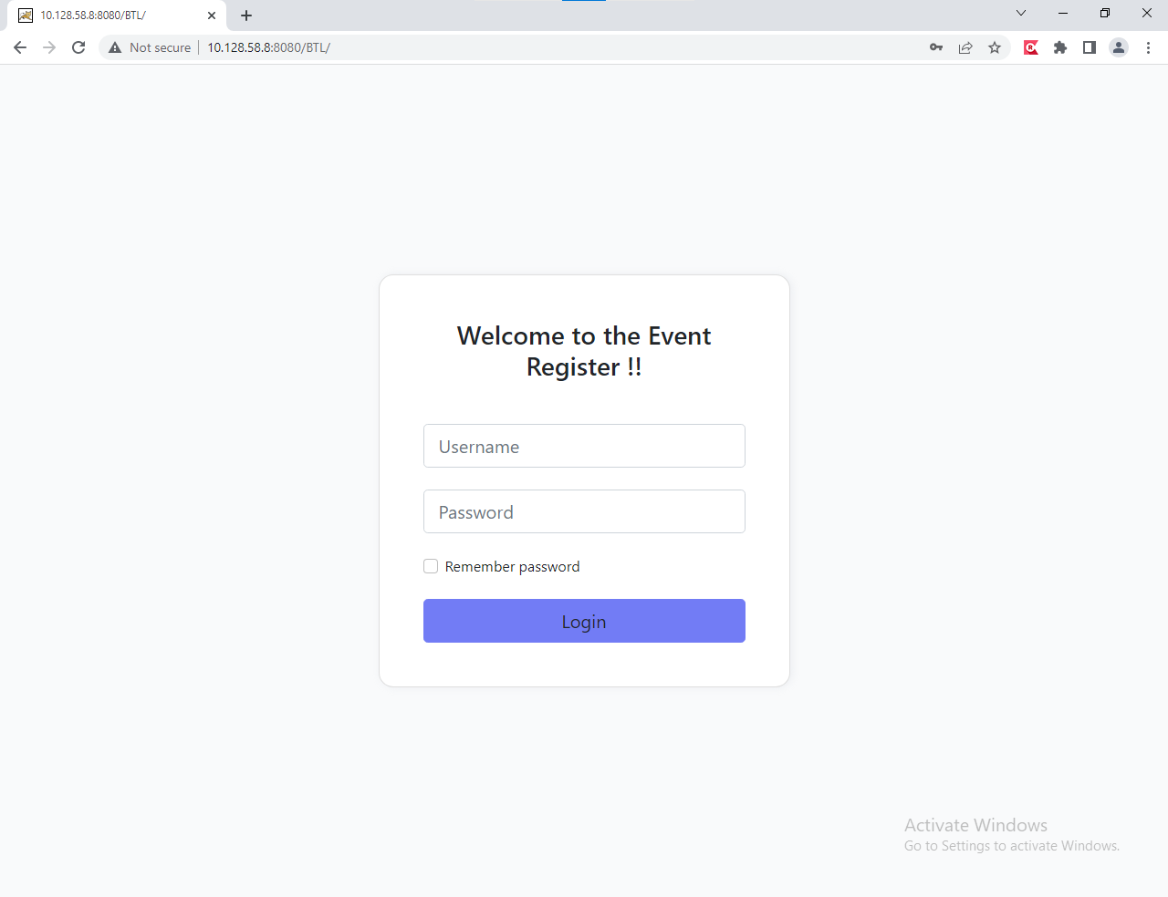

002
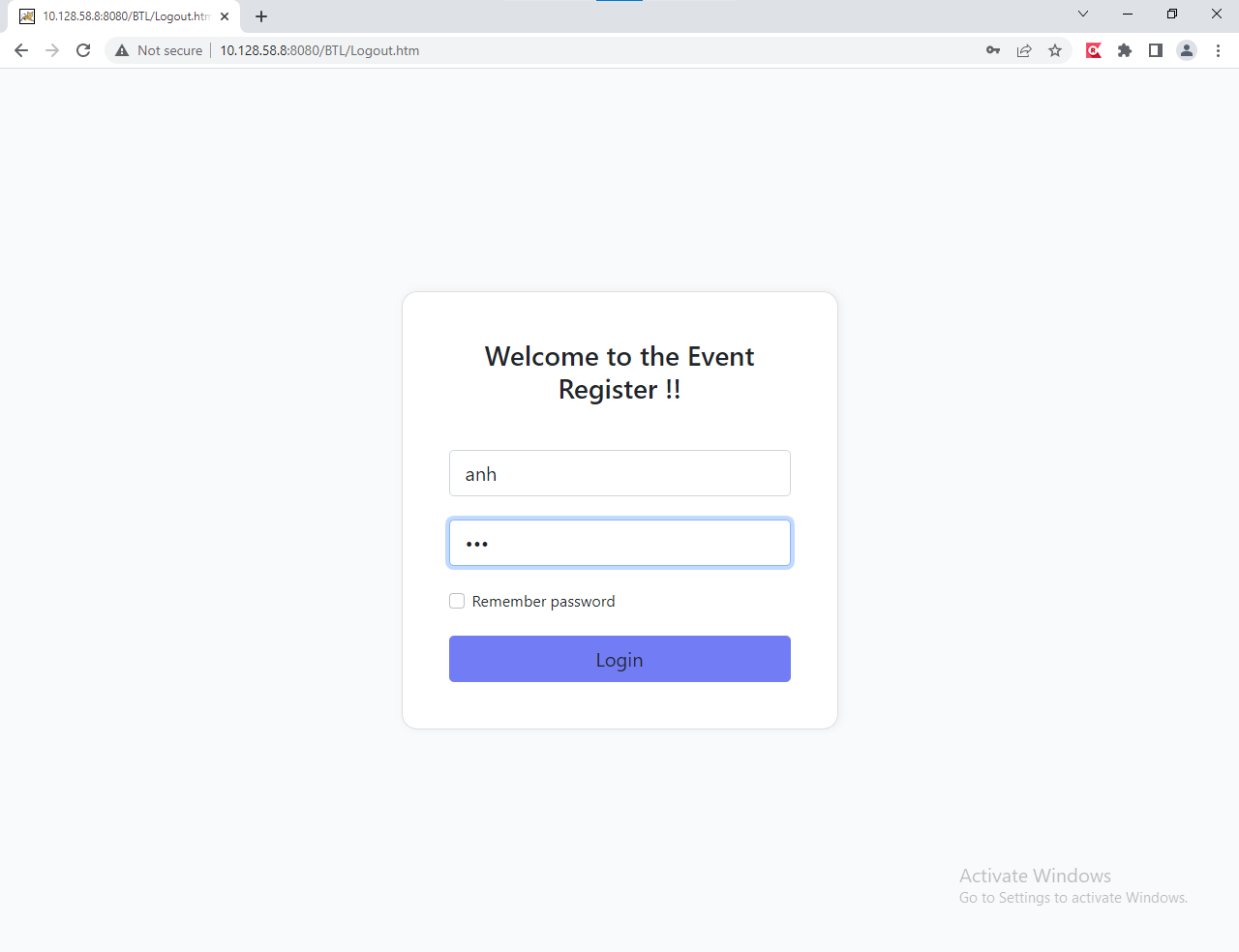
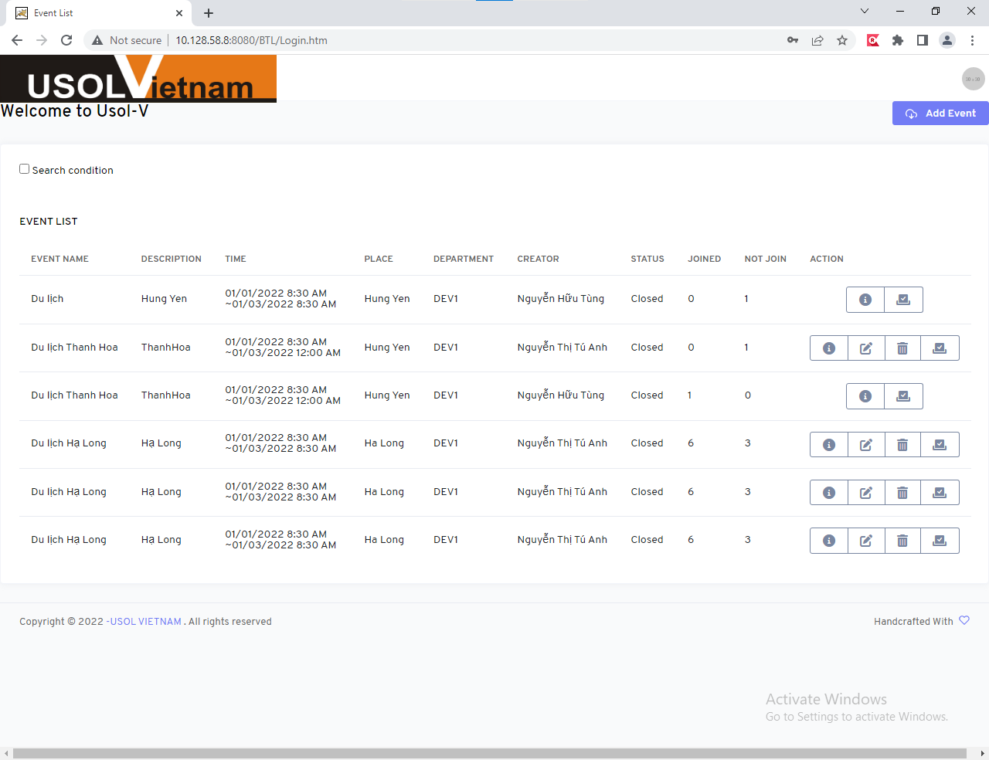
ID | UserName | Password | FullName | departmentld | Email | isDeleted | timeStamp
1 | Truong | 123 | Nguyễn Gia Trường | 1 | truong123@gmail.com | 0 | 0x00000000000007D4
2 | Giangitd | 345 | Phạm Nhất Giang | 2 | giang123@gmail.com | 0 | 0x00000000000007D5
3 | Tungitd | 456 | Nguyễn Hữu Tùng | 3 | tung123@gmail.com | 0 | 0x00000000000007D6
4 | anh | 123 | Nguyễn Thị Tú Anh | 1 | anh123@gmail.com | 0 | 0x00000000000007D7
5 | Phuong | 12345 | Lê Hà Phương | 2 | phuong123@gmail.com | 0 | 0x00000000000007D8

003
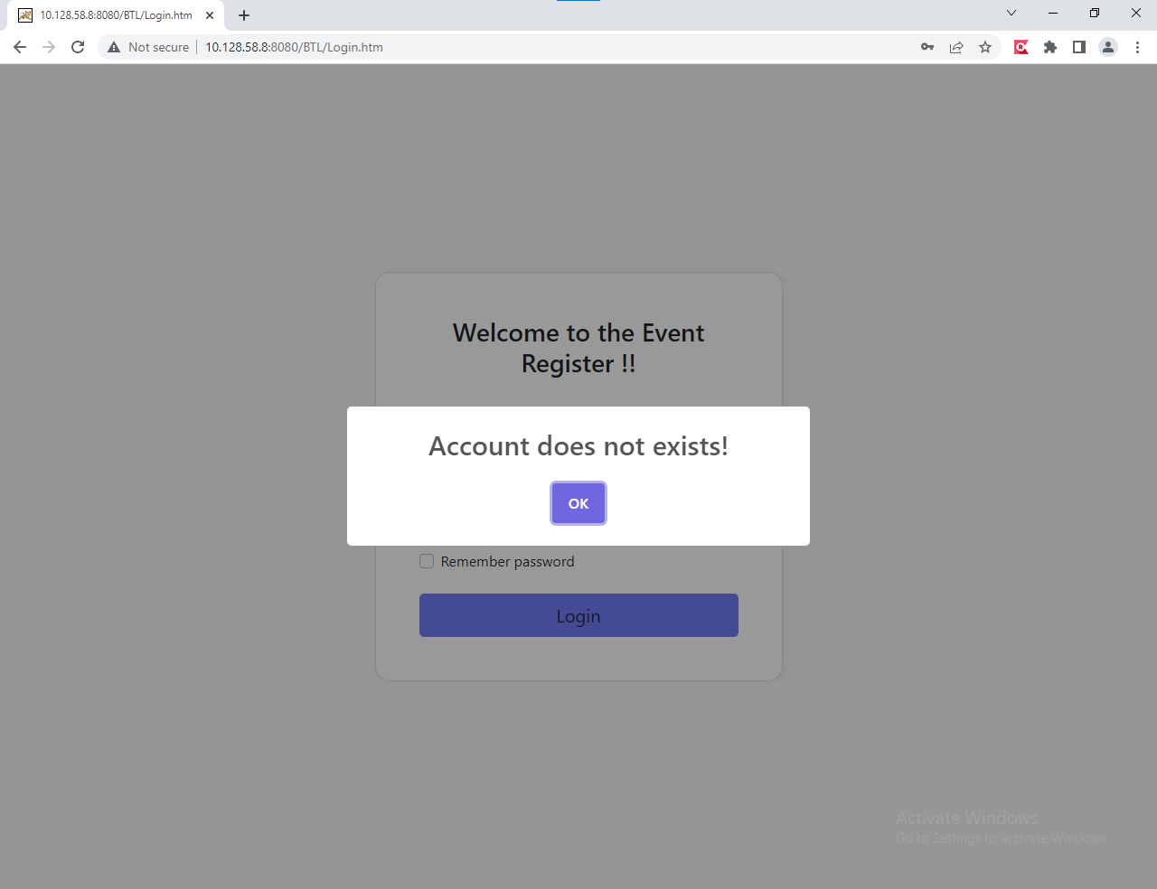
ID | UserName | Password | FullName | departmentld | Email | isDeleted | timeStamp
1 | Truong | 123 | Nguyễn Gia Trường | 1 | truong123@gmail.com | 0 | 0x00000000000007D4
2 | Giangitd | 345 | Phạm Nhất Giang | 2 | giang123@gmail.com | 0 | 0x00000000000007D5
3 | Tungitd | 456 | Nguyễn Hữu Tùng | 3 | tung123@gmail.com | 0 | 0x00000000000007D6
4 | anh | 123 | Nguyễn Thị Tú Anh | 1 | anh123@gmail.com | 0 | 0x00000000000007D7
5 | Phuong | 12345 | Lê Hà Phương | 2 | phuong123@gmail.com | 0 | 0x00000000000007D8
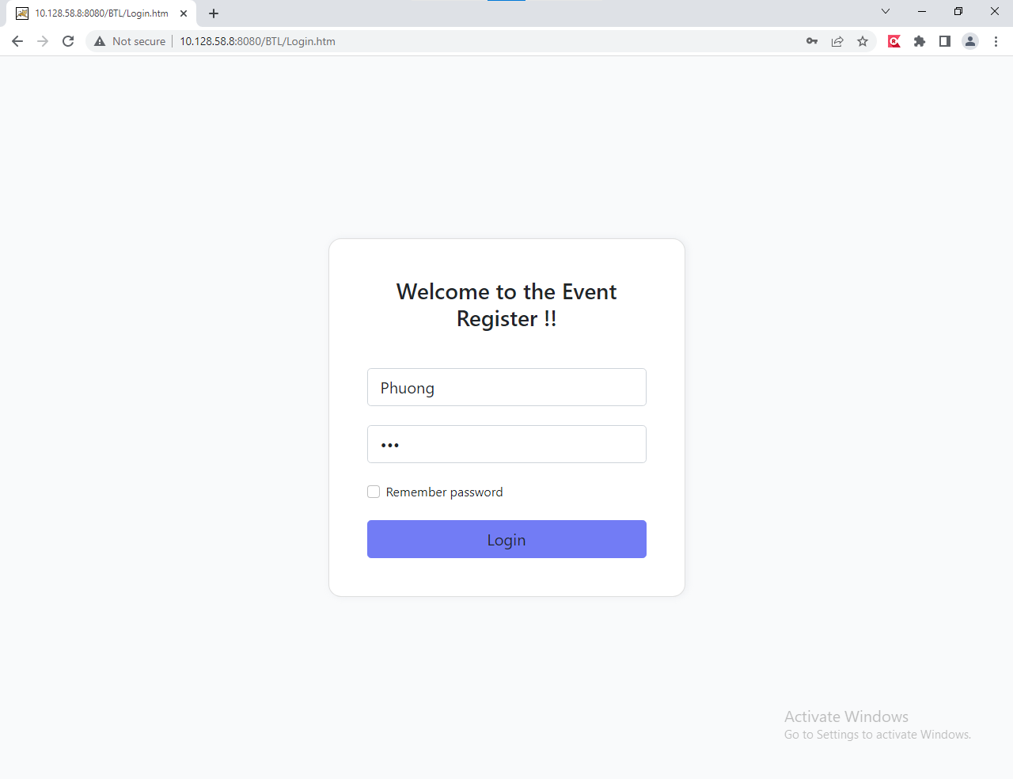
Username sai

004
ID | UserName | Password | FullName | departmentld | Email | isDeleted | timeStamp
1 | Truong | 123 | Nguyễn Gia Trường | 1 | truong123@gmail.com | 0 | 0x00000000000007D4
2 | Giangitd | 345 | Phạm Nhất Giang | 2 | giang123@gmail.com | 0 | 0x00000000000007D5
3 | Tungitd | 456 | Nguyễn Hữu Tùng | 3 | tung123@gmail.com | 0 | 0x00000000000007D6
4 | anh | 123 | Nguyễn Thị Tú Anh | 1 | anh123@gmail.com | 0 | 0x00000000000007D7
5 | Phuong | 12345 | Lê Hà Phương | 2 | phuong123@gmail.com | 0 | 0x00000000000007D8


Passwork sai

005
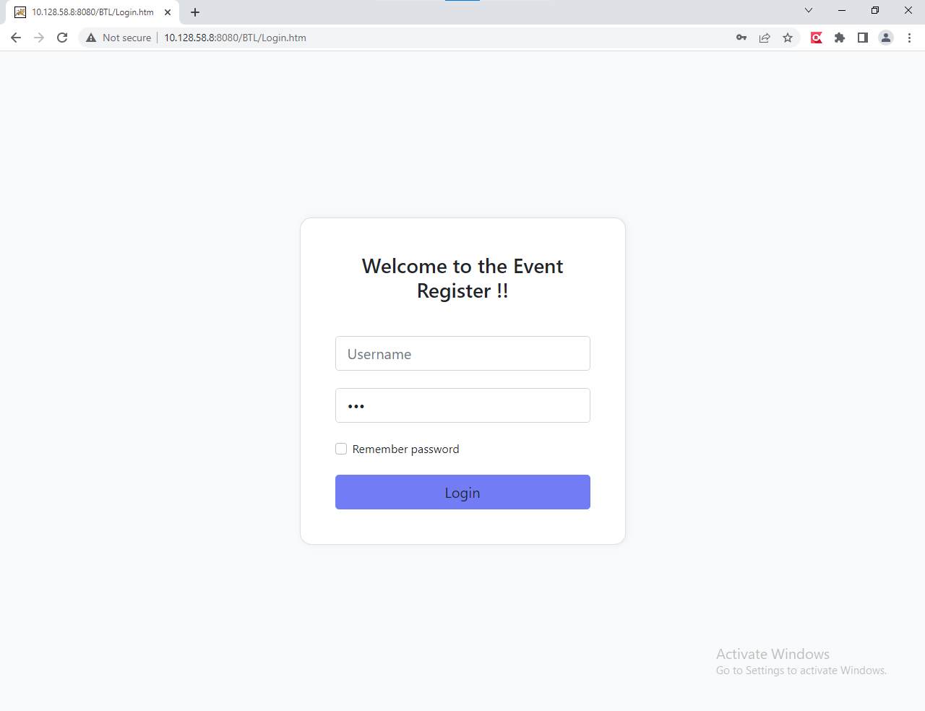
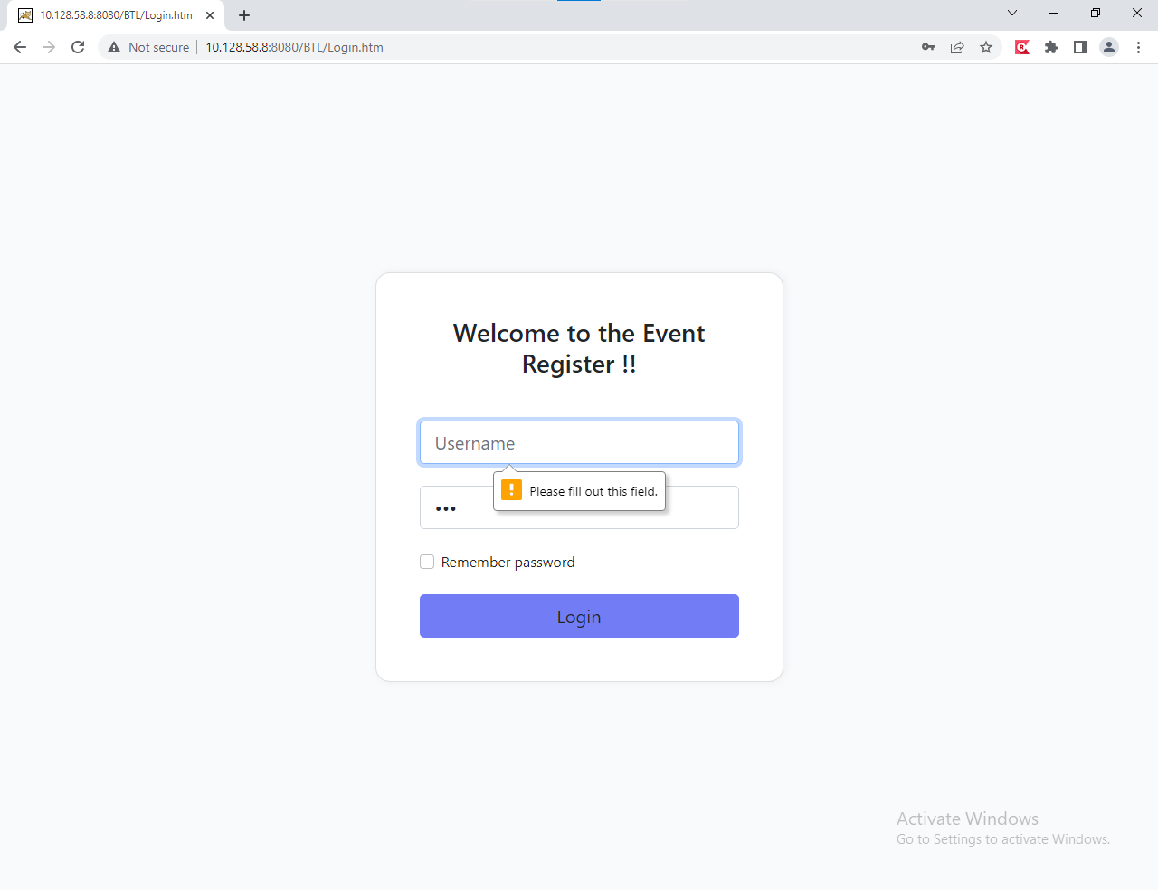
ID | UserName | Password | FullName | departmentld | Email | isDeleted | timeStamp
1 | Truong | 123 | Nguyễn Gia Trường | 1 | truong123@gmail.com | 0 | 0x00000000000007D4
2 | Giangitd | 345 | Phạm Nhất Giang | 2 | giang123@gmail.com | 0 | 0x00000000000007D5
3 | Tungitd | 456 | Nguyễn Hữu Tùng | 3 | tung123@gmail.com | 0 | 0x00000000000007D6
4 | anh | 123 | Nguyễn Thị Tú Anh | 1 | anh123@gmail.com | 0 | 0x00000000000007D7
5 | Phuong | 12345 | Lê Hà Phương | 2 | phuong123@gmail.com | 0 | 0x00000000000007D8

006
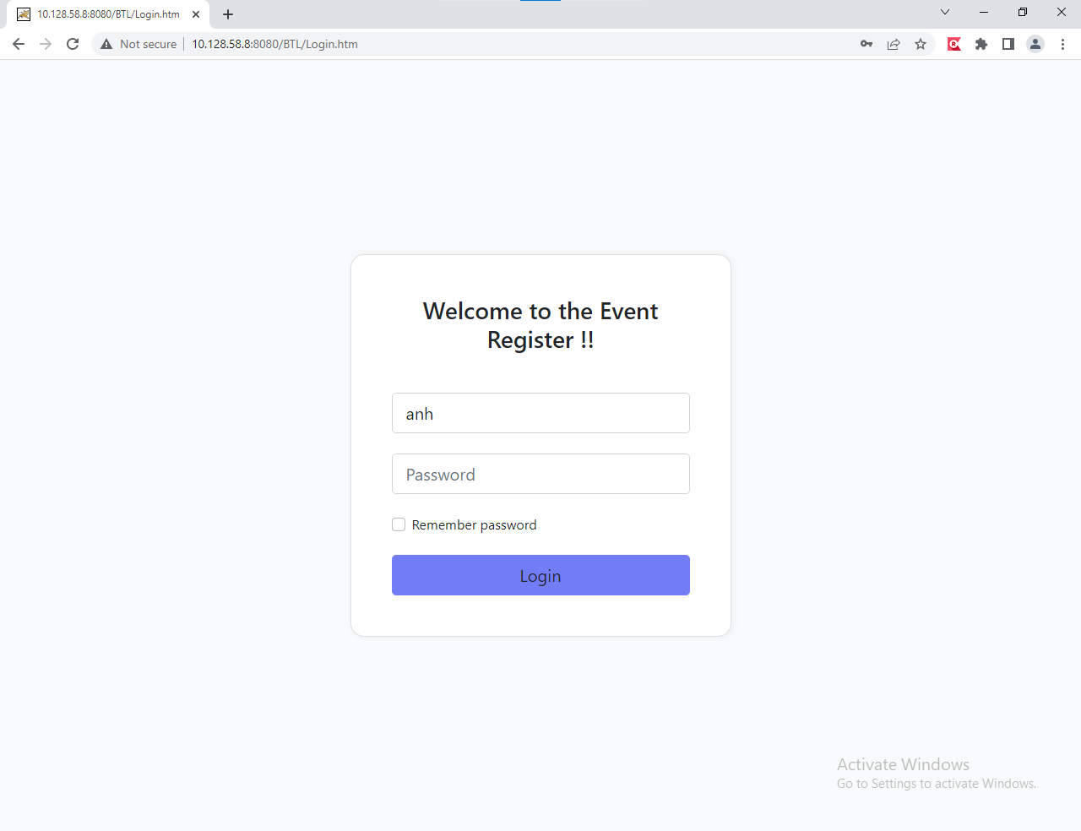
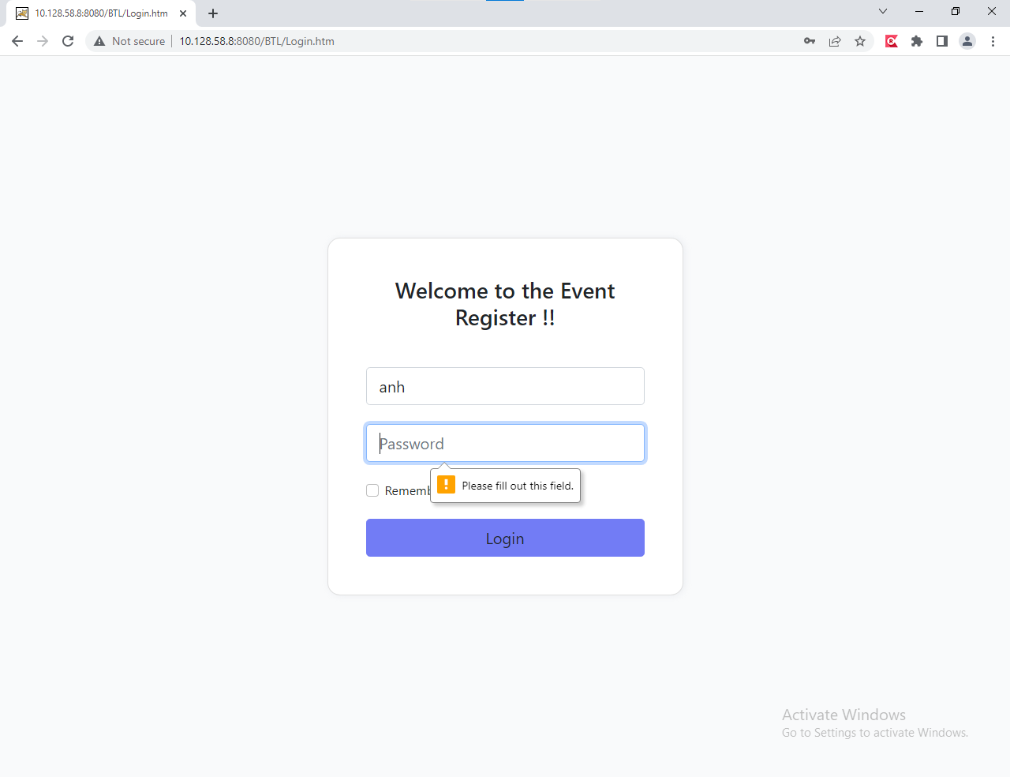
ID | UserName | Password | FullName | departmentld | Email | isDeleted | timeStamp
1 | Truong | 123 | Nguyễn Gia Trường | 1 | truong123@gmail.com | 0 | 0x00000000000007D4
2 | Giangitd | 345 | Phạm Nhất Giang | 2 | giang123@gmail.com | 0 | 0x00000000000007D5
3 | Tungitd | 456 | Nguyễn Hữu Tùng | 3 | tung123@gmail.com | 0 | 0x00000000000007D6
4 | anh | 123 | Nguyễn Thị Tú Anh | 1 | anh123@gmail.com | 0 | 0x00000000000007D7
5 | Phuong | 12345 | Lê Hà Phương | 2 | phuong123@gmail.com | 0 | 0x00000000000007D8

007
ID | UserName | Password | FullName | departmentld | Email | isDeleted | timeStamp
1 | Truong | 123 | Nguyễn Gia Trường | 1 | truong123@gmail.com | 0 | 0x00000000000007D4
2 | Giangitd | 345 | Phạm Nhất Giang | 2 | giang123@gmail.com | 0 | 0x00000000000007D5
3 | Tungitd | 456 | Nguyễn Hữu Tùng | 3 | tung123@gmail.com | 0 | 0x00000000000007D6
4 | anh | 123 | Nguyễn Thị Tú Anh | 1 | anh123@gmail.com | 0 | 0x00000000000007D7
5 | Phuong | 12345 | Lê Hà Phương | 2 | phuong123@gmail.com | 0 | 0x00000000000007D8


Username nhập sai
Passwork nhập sai

008
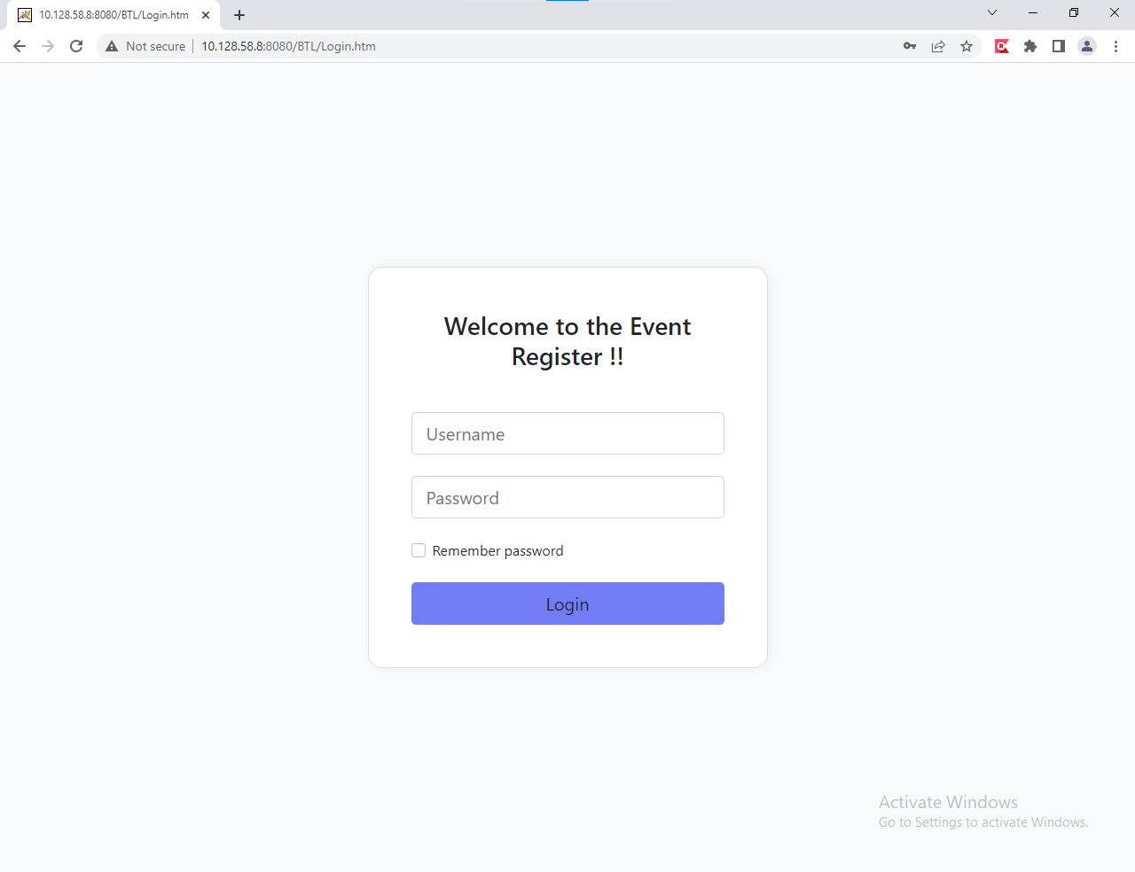
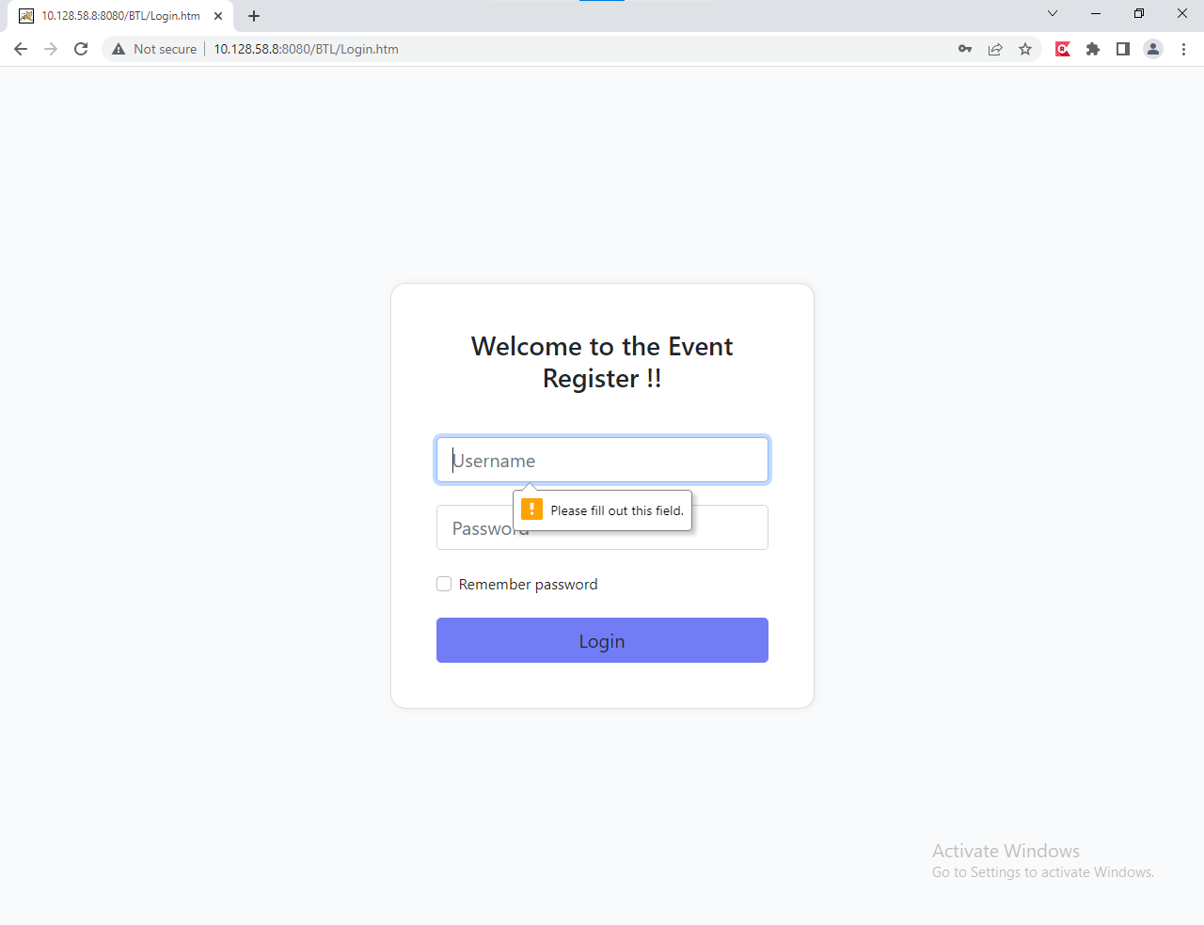
ID | UserName | Password | FullName | departmentld | Email | isDeleted | timeStamp
1 | Truong | 123 | Nguyễn Gia Trường | 1 | truong123@gmail.com | 0 | 0x00000000000007D4
2 | Giangitd | 345 | Phạm Nhất Giang | 2 | giang123@gmail.com | 0 | 0x00000000000007D5
3 | Tungitd | 456 | Nguyễn Hữu Tùng | 3 | tung123@gmail.com | 0 | 0x00000000000007D6
4 | anh | 123 | Nguyễn Thị Tú Anh | 1 | anh123@gmail.com | 0 | 0x00000000000007D7
5 | Phuong | 12345 | Lê Hà Phương | 2 | phuong123@gmail.com | 0 | 0x00000000000007D8

